Sheet1
COMMUNITY IMPACT AWARDS 2019 Evaluation
Judge's Initials: _________
Name of organization:____________________
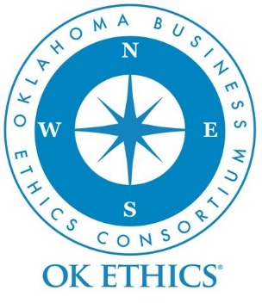
Community: Organizations honored in this category have made significant outreach efforts that serve to uplift the community, specifically by promoting strong principles, ethical leadership and integrity. This award is intended to fostering ethical behavior by inspiring and mobilizing members of the community toward actions that reflect Oklahoma values of integrity.
*Note that, because it is in everyone's best interests to promote high standards of ethical behavior, these awards are not limited to for-profit companies, so non-profits, educational and governmental institutions are welcome to apply.

POINT SCALE:
Excellent = 10 points
Good = 8 points
Average = 6 points
Fair - 4 points
Inadequate = 0 points

CATEGORY | 1) Community Initiatives
Which category? | 2) Educational Initiatives
 | 3) Could this application be viable for either category?

DONATIONS | Does the organization accept substantial from key members of OK Ethics?

II. MISSON (Note than numbers align with application and are not in sequential order for the evaluation form) | Does the organization's overall mission reflect OK Ethics values of integrity, character or ethics?
(Note than numbers align with application and are not in sequential order for the evaluation form) | Comments?

III. Core Values and Key Principles | Does the organization's Core Values or Key Principles reflect OK Ethics values of integrity, character or ethics?
 | Comments?

Page 1 of 2
IV. Relevance of Initiatives | How well does this organization champion ethical behavior or integrity in their organization or community. (Not to be confused with general good deeds such as feeding and sheltering the homeless.)
 | Comments?

V. Demographics | Who benefits from the organization's initiatives? Note that candidates were asked to show how their efforts related to integrity, positive ethical behavior or character. For instance, you may wish to weigh factors related to quantity such as local endeavor vs. national in scope. (Some of this information may also appear under VI, too. )
 | Comments?

VI. Measurement of program effectiveness specifically related to promoting virutes, ethics and integrity | How well has the organization demonstrated - in measurable terms - the impact that their program(s) is having in the areas of good character or ethical behavior. Has the organization done a good job of credibly measuring the impact of their initiatives? Does the initiative(s) have a lasting or life-changing impact on individuals? If so, what criteria stands out?
 | Comments?

Other Dimensions? Are there other aspects of this applicant's approach in promoting ethical standards that should be considered?

Saved as: Ethics - Community Impact Award - Judges tool (Community) 2019 | TOTAL POINTS | 0
Page 2 of 2

